Sheet1
 | Note : Use SubQueries.
Assignment - 1 | Select only the most recent order(s) in our orders table.

Query | Orders Table

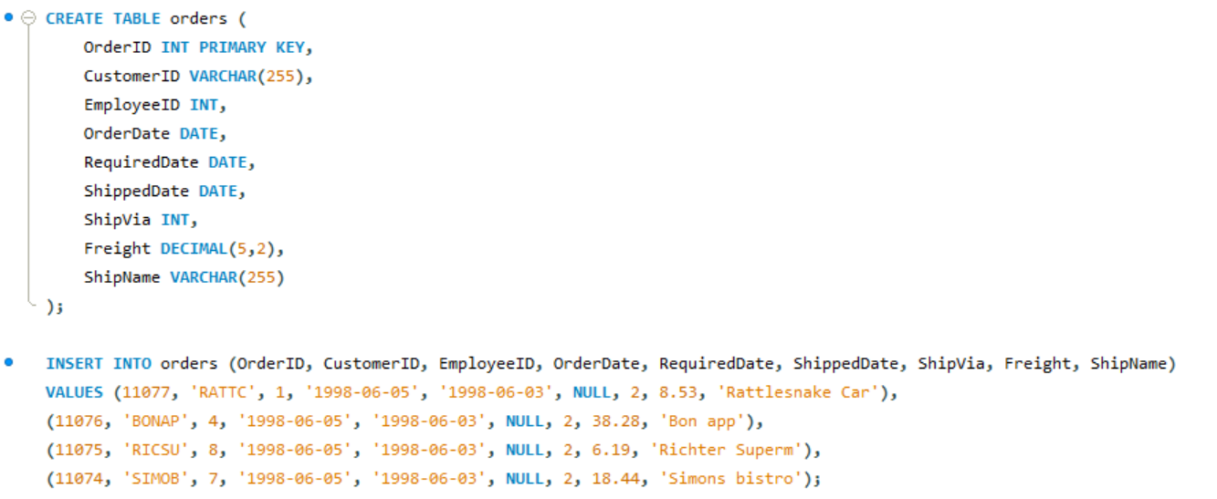

Execution Query

Output

Assignment - 2 | Select all records from the suppliers table where there is at least one record in the orders table with the same supplier_id. (Use Exists Operator)

Query | Supliers Table

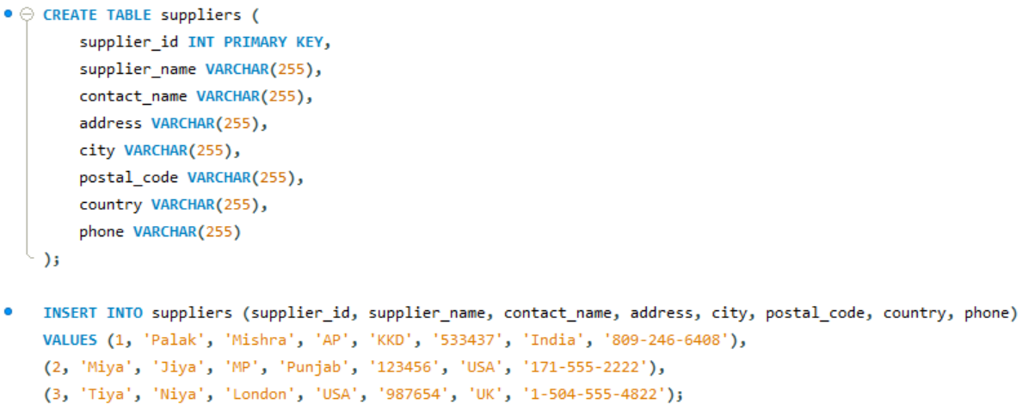

Query | Orders Table
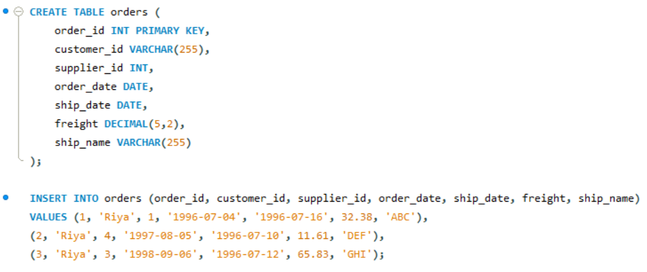

Execution Query

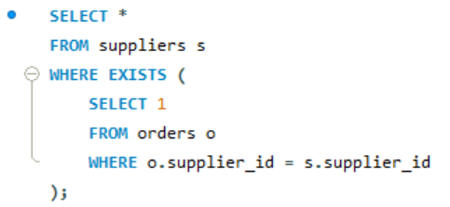

Output

Assignment - 3 | Select all records from the suppliers table where there are no records in the orders table for the given supplier_id.

Execution Query

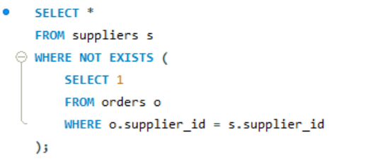

Output

Assignment - 4 | Display list of customers, together with the value of the most expensive item each has purchased.
 | Use table : Customers, Orders, Order Details
 | Order value = Order Detail.Unitprice * Order Detail.Quantity - Discount (If Applicable)

Query | Customer Table
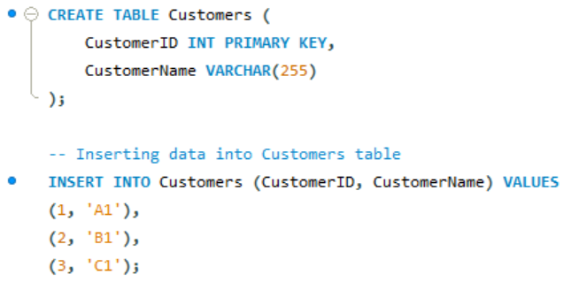

Query | Orders Table
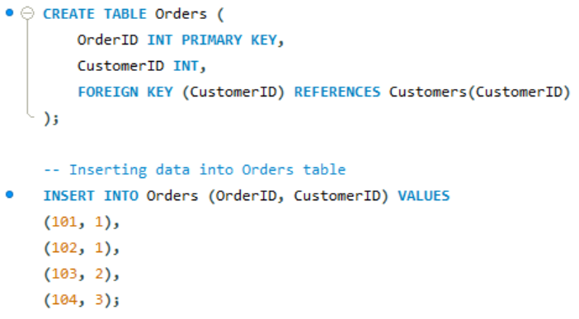

Query | OrderDetails Table

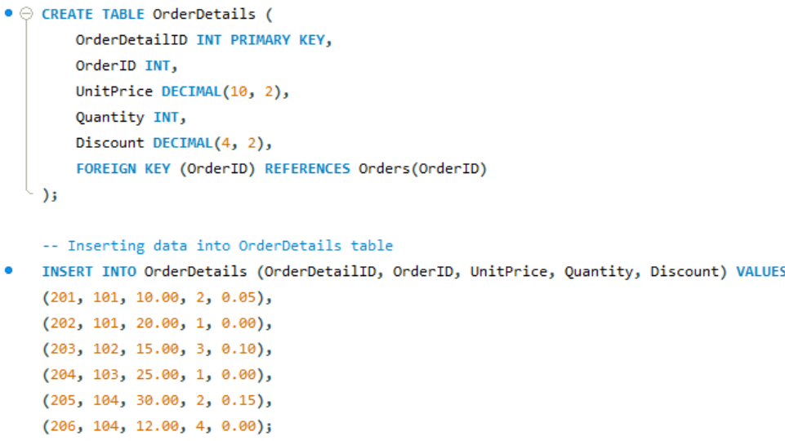

Execution Query
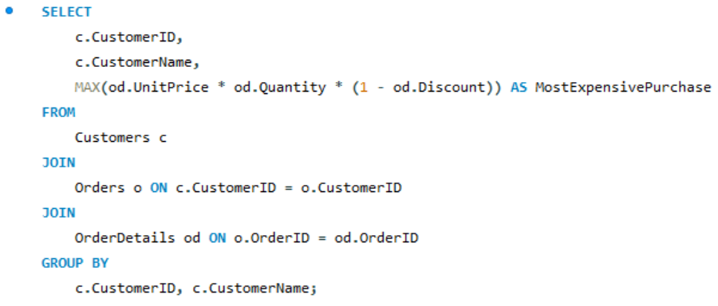

Output

Assignment - 5 | Create new table called Employee_Temp.
 | Create two columns firstname and last name
 | Insert all firstname, lastname from employees table to Employee_Temp table

Query | Employees table
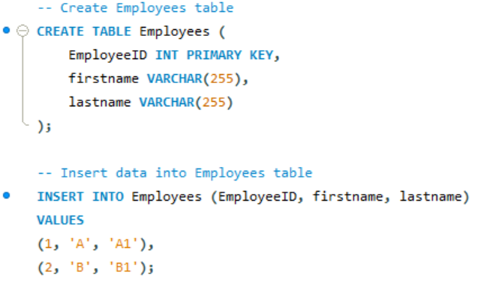

Query | Employee_Temp table

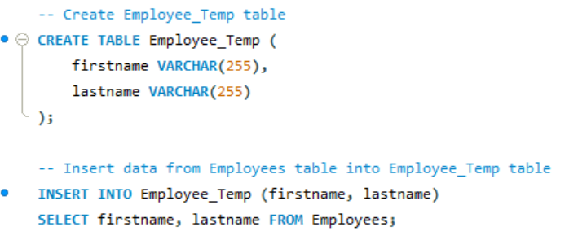

Execution Query

Output

